Sheet1
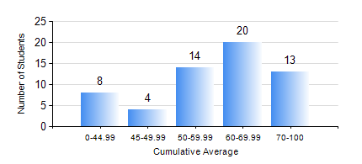
 |  |  | KWAME NKRUMAH UNIVERSITY OF SCIENCE AND TECHNOLOGY, KUMASI Department of Chemical Engineering

 |  |  | BSC. PETROCHEMICAL ENG.

 |  |  | COMPREHENSIVE RECORD OF EXAMINATION RESULTS

 |  |  | RESULTS OF YEAR 1 FIRST SEMESTER, 2024/2025 ACADEMIC YEAR

 | Sn | Course Code |  | Course Name | Credit Hours | Min. Mark | Max. Mark | Avg. Mark | Std. Dev. | No. Passed | No. Trailed | No. (Df) | No. (I) | No. (I*) | No. Tagged(I,I*,Df) | Total
 | 1. | CHE 151 |  | INORGANIC CHEMISTRY FOR ENGINEERS | 2 | 21 | 90 | 62 | 16.63 | 55 | 4 | 0 | 0 | 0 | 0 | 59
 | 2. | CHE 153 |  | ORGANIC CHEMISTRY FOR ENGINEERS | 2 | 14 | 86 | 61 | 16.9 | 52 | 7 | 0 | 0 | 0 | 0 | 59
 | 3. | CHEM 169 |  | PRACTICAL CHEMISTRY I | 3 | 16 | 80 | 63 | 12.31 | 56 | 3 | 0 | 0 | 0 | 0 | 59
 | 4. | EE 151 |  | APPLIED ELECTRICITY | 3 | 6 | 93 | 50 | 19.96 | 43 | 16 | 0 | 0 | 0 | 0 | 59
 | 5. | ENGL 157 |  | COMMUNICATION SKILLS I | 2 | 32 | 87 | 69 | 11.06 | 58 | 1 | 0 | 0 | 0 | 0 | 59
 | 6. | MATH 151 |  | ALGEBRA | 4 | 34 | 86 | 60 | 14.47 | 57 | 2 | 0 | 0 | 0 | 0 | 59
 | 7. | ME 159 |  | TECHNICAL DRAWING | 2 | 18 | 87 | 66 | 13.5 | 57 | 2 | 0 | 0 | 0 | 0 | 59

